Sheet1
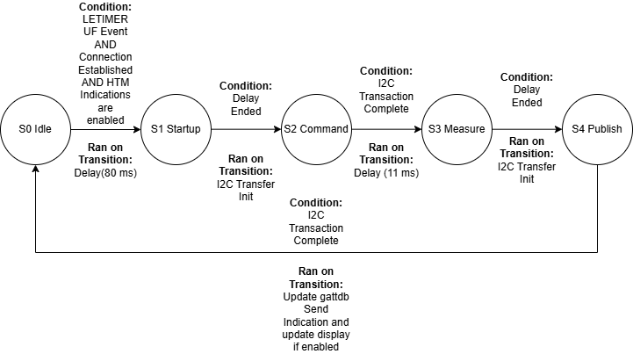
 | Client Command Table for A7
TEMPERATURE STATE MACHINE DIAGRAM IS BELOW TABLE
 | Use this table to help you design your program. Add rows as needed. | Use this column to describe when and what your LCD display changes to for rows like DISPLAY_ROW_CONNECTION | Use this column to denote if BT stack events cause your state machine to advance, you can put an X in the cell to note this. Drawing a bubble diagram of your state machine might also be a good idea 👍. | Commands that may be useful: sl_bt_gatt_discover_primary_services_by_uuid() sl_bt_gatt_discover_characteristics_by_uuid()
 | Event | LCD Display State | Advances State Machine | Commands called in response to event | Notes
Masters/Servers
 | sl_bt_evt_system_boot_id | DISPLAY_ROW_CONNECTION: Advertising DISPLAY_ROW_ASSIGNMENT: A8 DISPLAY_ROW_NAME: Server DISPLAY_ROW_BTADDR: %x:%x:%x:%x:%x:%x |  | This event is generated on stack boot up
 |  |  |  | sl_bt_sm_delete_bondings();
 |  |  |  | sl_bt_sm_set_bondable_mode();
 |  |  |  | sl_bt_sm_configure();
 |  |  |  | sl_bt_system_get_identity_address();
 |  |  |  | sl_bt_advertiser_create_set();
 |  |  |  | sl_bt_legacy_advertiser_generate_data();
 |  |  |  | sl_bt_advertiser_set_timing();
 |  |  |  | sl_bt_legacy_advertiser_start();
 | sl_bt_evt_connection_opened_id | DISPLAY_ROW_CONNECTION: "Connected"
 |  |  |  | sl_bt_advertiser_stop();
 |  |  |  | sl_bt_connection_set_parameters();
 | sl_bt_evt_connection_closed_id | DISPLAY_ROW_CONNECTION: Advertising DISPLAY_ROW_TEMPVALUE: <CLEAR> |  |  | Resets entire system to advertising base state
 |  |  |  | sl_bt_sm_delete_bondings();
 |  |  |  | sl_bt_legacy_advertiser_start();
 | sl_bt_evt_system_external_signal_id | DISPLAY_ROW_ACTION: <CLEAR> DISPLAY_ROW_PASSKEY: <CLEAR> |  |  | Handles both bonding passkey acceptance and sends indications on trigger. Only watches PB0 press and release events
 |  |  |  | sl_bt_gatt_server_write_attribute_value();
 |  |  |  | sl_bt_sm_passkey_confirm();
 | sl_bt_evt_gatt_server_characteristic_status_id | DISPLAY_ROW_TEMPVALUE: <CLEAR> (when indications are disabled) |  |  | Allows another indication to be sent by queue OR Enables/Disables indications to be sent by queue function

 | sl_bt_evt_gatt_server_indication_timeout_id |  |  |  | Allows another indication to be sent

 | sl_bt_evt_sm_confirm_passkey_id | DISPLAY_ROW_ACTION: Confirm with PB0 DISPLAY_ROW_PASSKEY: XXXXXX

 | sl_bt_evt_sm_confirm_bonding_id
 |  |  |  | sl_bt_sm_bonding_confirm();
 | sl_bt_evt_sm_bonding_failed_id

 | sl_bt_evt_sm_bonded_id | DISPLAY_ROW_CONNECTION: "Bonded"

 | sl_bt_evt_system_soft_timer_id |  |  |  | Toggles EXTCOMIN Pin

